Calculation Sheet
TPS4811-Q1 Design Calculation Tool |  |  |  |  |  |  | Table - 1: Device Comparison Table
Constants Cells | Input/SelectCells | Calculation Cells |  |  |  |  | Version | OV protection | Pre-charge Driver
Error Cells, Must be Fixed | Calculated, but can be over-ridden by user |  |  |  |  |  | TPS48110-Q1 | Yes | No
Parameter | Description | Value | Units | Tolerance |  |  | TPS48111-Q1 | No | Yes
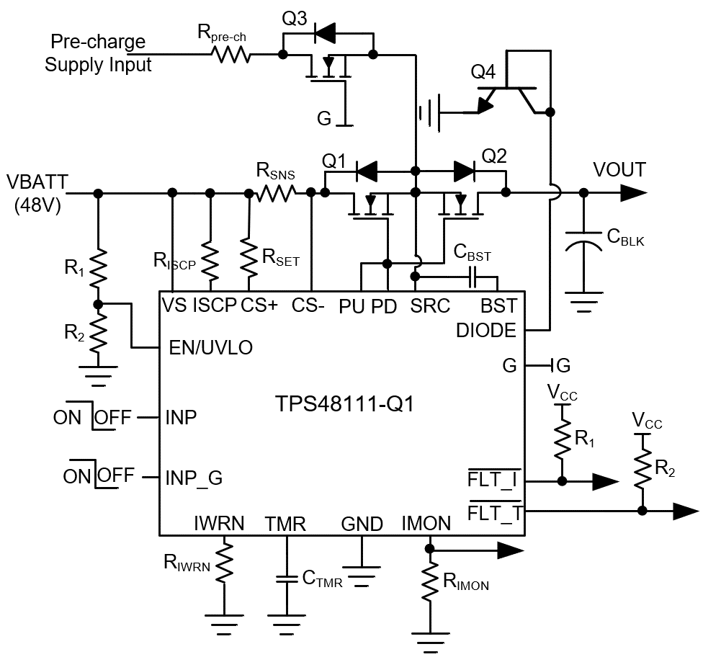
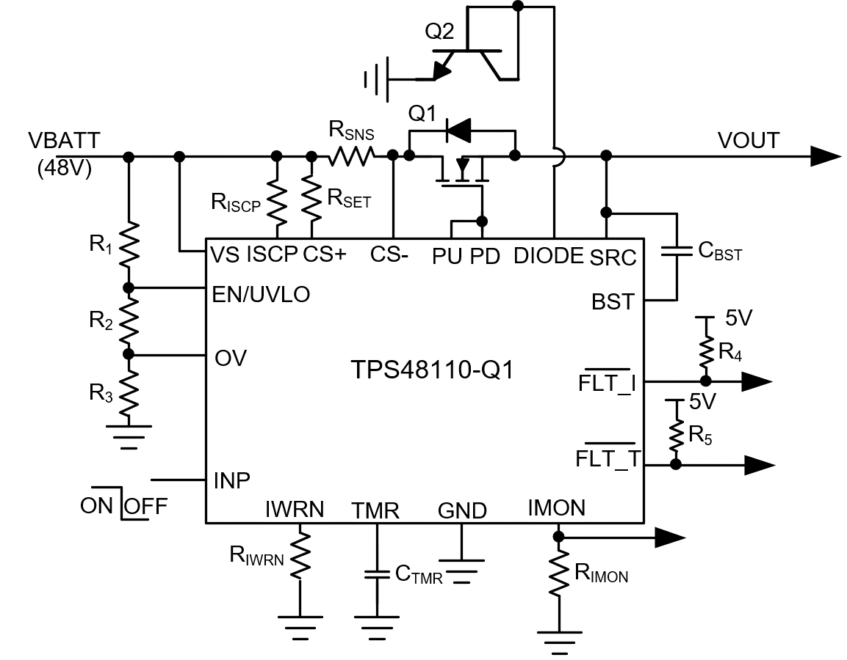
Device Selection | Refer Table-1 and select based on Overvoltage Protection and Pre-charge Drive Requirements | TPS48110-Q1
VIN (nom) | Nominal operating input voltage | 48.00 | V
UVLOset | Undervoltage threshold (VIN Rising) | 24.00 | V
OVset | Overvoltage threshold (VIN Rising) | 60.00 | V
Cout | Load capacitance [ Pre-charge with TPS48111-Q1 or limit inrush current with RC on GATE of TPS48110-Q1 ] | 440 | uF | 10.0%
Tcharge | Target charge time | 50 | ms
Iinrush | Calculated inrush current (can be over-ridden by user) | 422.40 | mA
Imax | Maximum continuous load current | 42.00 | A
IWRN | Over current protection threshold. Set at 20% (typical) higher than maximum continuous load current | 50.40 | A
ISCP | Short circuit protection threshold. Set at 20% (typical) higher than Over current protection threshold | 60.48 | A
TA(max) | Max Ambient Temperature | 70 | °C
TOC | Enter the time interval to support load transient currents | 1000 | us
Rec_VIMONMax | Recommended maximum IMON voltage | 3.3 | V
VIMON-Max | Enter current monitor (IMON) full-scale voltage range | 3.30 | V

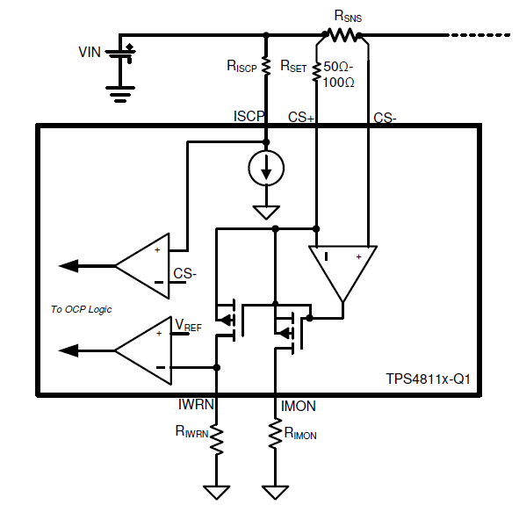
Calculations for over-current protection threshold (resistor on IWRN Pin)
RSNS | Calculaed by using OCP threshold voltage, V(SNS_WRN) as 25 mV | 0.50 | mΩ | 1.0%
RSET | Resistor between CS+ and Vs | 100 | Ω | 1.0%
RIWRN_cal | Calculated resistor to set over current threshold | 48 | kΩ | 1.0%
IMON Accuracy (%)
SELECT A ILIMIT RESISTOR WITH THE CLOSEST AVAILABLE VALUE OF RIWRN
RIWRN | Select the closest available value of RIWRN_cal | 49 | kΩ | 1.0% | 49
IWRN_final | Final OCP Set Point | 49.26 | A | 6.7% |  |  | 10 | 16.8
PD(RSNS) | Maximum power dissipation in RSNS | 1.20 | W |  |  |  | 25 | 6.72
 |  |  |  |  |  |  | 50 | 3.36
Calculations for short-circuit protection threshold (resistor between Vs and ISCP pins) |  |  |  |  |  |  | 75 | 2.24
RISCP_cal | Calculated resistor to set short-circuit current threshold | 1.40 | kΩ | 1.0% |  |  | 100 | 1.68
SELECT A ILIMIT RESISTOR WITH THE CLOSEST AVAILABLE VALUE OF RISCP
RISCP | Select the closest available value of RISCP_cal | 1.43 | kΩ | 1.0% | 1.43 |  |  | 1.68
ISCP_final | Final SCP Set Point | 61.39 | A | 13.4%

Calculations for current monitor (resistor on IMON Pin)
RIMON_max | Maximum allowed resistance at IMON pin | 15.01 | kΩ |  | 15.01
RIMON | Resistor value selected at IMON pin | 15.00 | kΩ | 1.0% | 15
VIMON_final | Maximum voltage at IMON for maximum load current | 3.30 | V
The range of voltage output at IMON pin will be from 0V to VMON_imax |  | VIMON is Within Limits

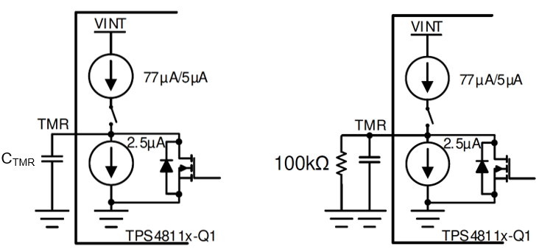
Calculations for TOC, circuit breaker timer / fault timer (capacitor on TMR pin)
CTMR_cal | Calculated value of capacitor at TMR pin | 64.58 | nF |  | 64.58
CTMR_sel | Capacitor value selected at TMR pin | 68.00 | nF | 10.0% | 68
TOC_final | Time duration for which load transients between IWRN and ISCP are allowed (Turn-off delay during OCP) | 1053 | us
TFLT | Time to assert over current fault at FLT_I/ | 965 | us
TRETRY | Auto-retry time (Connect 100kΩ across CTMR to set latch-off behavior) | 1544 | ms

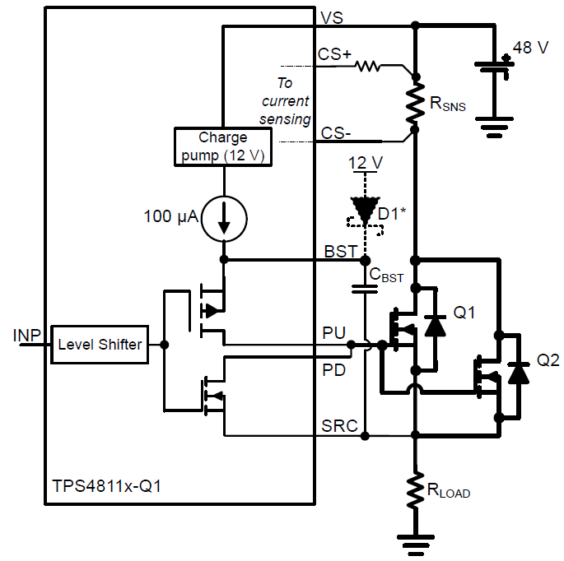
Calculations for Bootstrapped capacitor, CBST (capacitor between BST and SRC pins) |  |  |  |  |  | D1* = CMHD3595
Qg(tot) | Enter total gate charge due to external MOSFETs (For example, IAUS300N08S5N012 FET has max Qg of 231 nC. Using two FETs in parallel) | 462 | nC
CBST_cal | Calculated value of Bootstrapped capacitor [ Qg(tot)/1V ] | 462.00 | nF |  | 462.00
CBST | Selected value of Bootstrapped capacitor (use 50V rated, X7R type) | 470.00 | nF | 10.0% | 470
Tstartup | Startup time (To reduce it, supply BST externally using a low leakage diode CMHD3595 from 12V supply) | 38 | ms

Calculations for Bootstrapped capacitor, CBST inSwitching Application
Qg(tot) | Enter total gate charge due to external MOSFETs (For example, Using single IAUS300N08S5N012 FET having max Qg of 231 nC) | 231 | nC
Fsw_max | Maximum switching frequency possible with 100uA charge pump current (For higher switching frequency support, use low leakage diode CMHD3595 from 12V supply) | 433 | Hz
CBST_cal | Calculated value of Bootstrapped capacitor [ Qg(tot)/1V ] | 231.00 | nF |  | 231.00
CBST | Selected value of Bootstrapped capacitor (use 50V rated, X7R type) | 330.00 | nF | 10.0% | 330

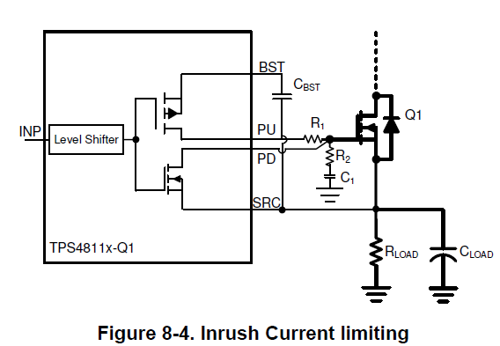
Calculations for Bootstrapped capacitor, CBST during Inrush current control (dv/dt mode)
R1 | Series resistor in the PU path to control Gate rise time | 100 | kΩ | 1.0%
R2 | Resistor to damp oscillations at Gate | 10 | Ω | 1.0%
C1_cal | Calculated value of external Gate capacitance | 78.75 | nF |  | 78.75
C1 | Selected value of external Gate capacitor (use 100V rated, X7R type) | 100.00 | nF | 10.0% | 100
Iinrush_cal | Calculated value of inrush current | 333 | mA
Qg | Enter external MOSFET gate charge | 231 | nC
CBST | Calculated value of Bootstrapped capacitor [ Qg(tot)/1V ] | 1231.00 | nF | 10.0%

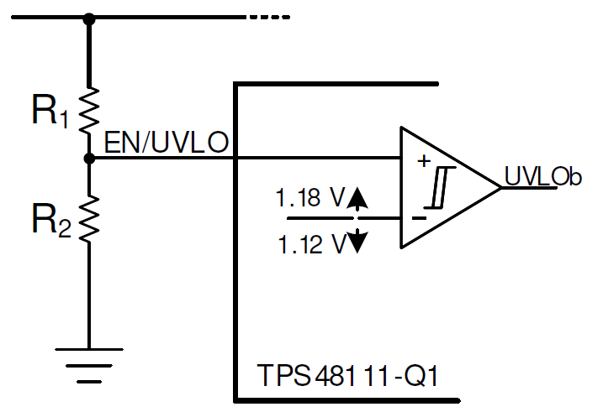
UVLO set point calculations (TPS48111-Q1)
R1: Pullup at EN/UVLO Pin | Select a value > 100K to keep I_R12 low | 470.0 | kΩ | 1.0%
R2_cal | Calculated value of Resistor at EN/UVLO pin | 24.3 | kΩ
SELECT THE VALUE OF RESISTORS AS CLOSEST AVAILABLE VALUE OF R2
R2 | Select the closest possible value as R2_cal | 24.90 | kΩ | 1.0% | 24.9
UV_final_rising | Undervoltage threshold (VIN Rising) | 23.45 | V | 2.2%
UV_final_falling | Undervoltagethreshold (VIN Falling) | 22.26 | V | 2.2%
I_R12 | Current in R1, R2 Branch | 96.99 | uA

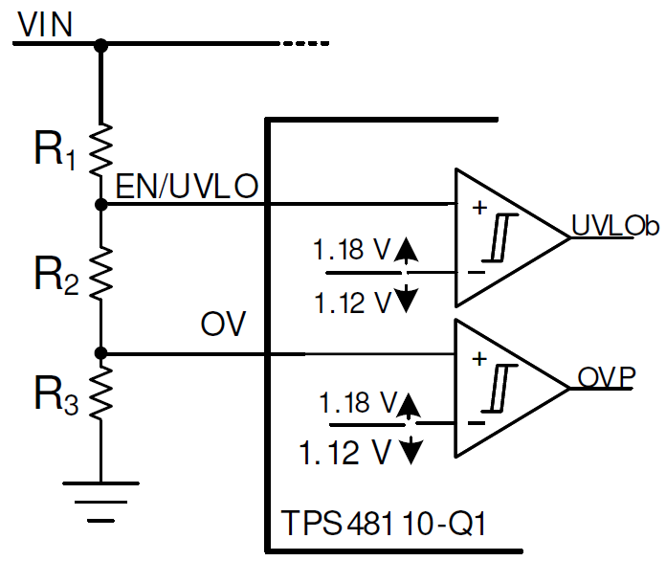
UVLO, OVP set point calculations (TPS48110-Q1)
R1: Pullup at EN/UVLO Pin | Select a value > 100K to keep I_R123 low | 470.0 | kΩ | 1.0%
R2_cal | Calculated value of Resistor at EN/UVLO pin | 14.6 | kΩ
R3_cal | Calculated value of Resistor at OV pin | 9.7 | kΩ
SELECT THE VALUE OF RESISTORS AS CLOSEST AVAILABLE VALUE OF R2
R2 | Select the closest possible value as R2_cal | 14.70 | kΩ | 1.0% | 14.7
R3 | Select the closest possible value as R3_cal | 9.76 | kΩ | 1.0% | 9.76
UV_final_rising | Undervoltage threshold (VIN Rising) | 23.85 | V | 2.4%
UV_final_falling | Undervoltage threshold (VIN Falling) | 22.64 | V | 2.4%
OV_final_rising | Overvoltage threshold (VIN Rising) | 59.78 | V | 2.4%
OV_final_falling | Overvoltage threshold (VIN Falling) | 56.74 | V | 2.4%
I_R123 | Current in R1, R2, R3 Branch | 97.08 | uA

Calculations for Pre-charge resistor
Rpre-ch-cal | Calculated value of Pre-charge resistor to limit inrush current | 114 | Ω
Epre-charge | Energy dissipated by the Pre-charge resistor | 0.507 | J
Tpre-charge | Total pre-charge time | 250 | ms
Pavg | Average power dissipated by the Pre-charge resistor | 2.03 | W
Ppeak | Peak dissipation power (make sure to select resistor which can handle Ppeak for very short intervals) | 20.28 | W
Rpre-ch | Selected value of Pre-charge resistor Selected CRCW2512220RJNEGHP [ 220Ω, 2 in parallel ] on TPS48111Q1EVM. CRCW2512220RJNEGHP can handle 25W/50ms/single-pulse | 110 | Ω | 10.0%
Npre-ch | Number of Pre-charge resistor in parallel | 2

Parameters internal to the controller
Internal References
Uvref_rise | Internal Undervoltage reference (Rising) | 1.18 | V | 1.7%
Uvref_fall | Internal Undervoltage reference (Falling) | 1.12 | V | 2.7%
Ovref_rise | Internal Overvoltage reference (Rising) | 1.18 | V | 1.7%
Ovref_fall | Internal Overvoltage reference (Falling) | 1.12 | V | 2.7%
V(BST UVLO) | V(BST-SRC) UVLO voltage threshold, rising | 8 | V
V(BST-SRC) | Typical boostrap voltage | 12 | V
I(BST) | Charge Pump Supply current | 100 | uA

